Additionality
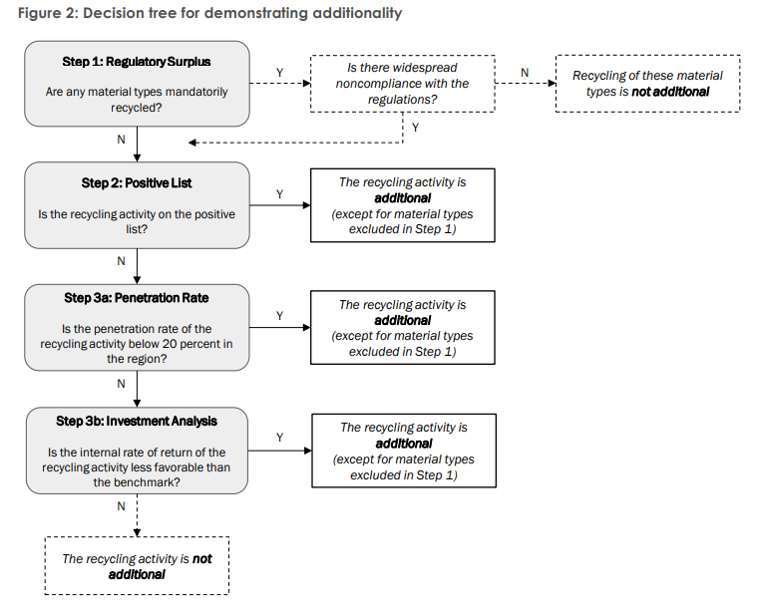
Required Field | Selective Disclosure | Multiple Answers | Schema Type | Parameter | Question | Answer | Notes
Demonstration of Additionality
Yes |  | no | if/then | Step 1 : Regulatory Surplus | Step 1: Are any material types mandatorily recycled? | Yes | If Yes: Proceed to Step 1.1 If No: Move to Step 2
Yes |  | yes | string |  | Step 1: Provide explanation to justify answer. | (Explanation/proof) | Follow up to previous question.
 |  |  |  | Step 1.1: Regulatory Surplus | Step 1.1: Is there widespread noncompliance with the regulations? | Yes | If Yes: Move to Step 2 If No: Recycling of these material types is not additional.
Yes |  | yes | string |  | Step 1.1: Provide explanation to justify answer. | (Explanation/proof) | Follow up to previous question.
Yes |  | no | if/then | Step 2: Positive List | Step 2: Is the recycling activity on the positive list? | Yes | If Yes: The recycling activity is additional (except for material types excluded in Step 1). If No: Move to Step 3a
Yes |  | yes | string |  | Step 2: Provide explanation to justify answer. | (Explanation/proof) | Follow up to previous question.
Yes |  | no | if/then | Step 3a: Penetration Rate | Step 3a: Is the penetration rate of the recycling activity below 20 percent in the region? (i.e., 𝑃𝑒𝑛𝑒𝑡𝑟𝑎𝑡𝑖𝑜𝑛 𝑅𝑎𝑡𝑒 = total installed recycling capacity / total plastic waste generation × 100) | Yes | If Yes: The recycling activity is additional (except for material types excluded in Step 1). If No: Move to Step 3b
Yes |  | yes | string |  | Step 3a: Provide explanation to justify answer. | (Explanation/proof) | Follow up to previous question.
Yes |  | no | if/then | Step 3b: Investment Analysis | Step 3b: Is the internal rate of return of the recycling activity less favorable than the benchmark? | Yes | If Yes: The recycling activity is additional (except for material types excluded in Step 1). If No: The recycling activity is not additional.
Yes |  | yes | string |  | Step 3b: Provide explanation to justify answer. | (Explanation/proof) | Follow up to previous question.
Flowchart

